Dashboard
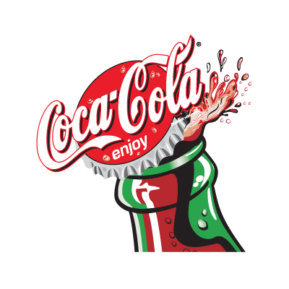
Coca-Cola USA Retailer Dashboard

Total Sales
Units Sold
Average Price
Total Operating Profit
$1,001,840
1,630,430
$0.59
$342,997

Sales By Beverage Brand |  |  |  | Sales By Retailer
Brand | Sales2022 | Sales2023 | Variance | Retailer | Sales2022 | Sales2023 | Variance
Coca-Cola | 204,217 | 204,217 | 0 | BevCo | 17,879 | 17,879 | 0
Dasani Water | 188,223 | 188,223 | 0 | West Soda | 983,961 | 983,961 | 0
Diet Coke | 187,856 | 187,856 | 0 | Grand Total | 1,001,840 | 1,001,840 | 0
Total
Fanta | 132,121 | 132,121 | 0 | 0 | 0 | 0 | 0
Powerade | 129,178 | 129,178 | 0 | 0 | 0 | 0 | 0
Sprite | 160,245 | 160,245 | 0 | 0 | 0 | 0 | 0
Total | 1,001,840 | 1,001,840 | 0 | Total | 0 | 0 | 0

Sales And Operating Margin By Quater
 | Sales | Operating Margin
Qtr1 | 323851.9 | 0.40388429752
Qtr2 | 344406.8 | 0.39565934066
Qtr3 | 208967.6 | 0.328
Qtr4 | 124614 | 0.37063492063
0 | 1001840.3 | 0.38684303351
0 | 0 | 0
0 | 0 | 0
0 | 0 | 0

